Festive Counter Areas
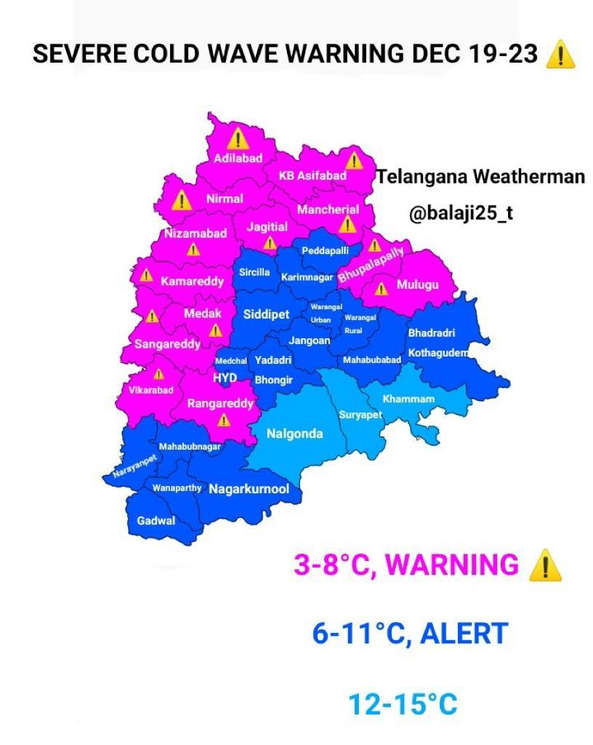

S.NO | District | No Of Talukas | No Of Villages | Festive Counters
1 | Jangoan | 12 | 176
2 | Kamareddy | 22 | 535
3 | Sangareddy | 25 | 558 | 1
4 | Nalgonda | 32 | 833
5 | Siddipet | 22 | 397 | 1
6 | Nizambad | 29 | 464
7 | Yadadri | 17 | 320
8 | Mehaboobnagar | 15 | 309
9 | suryapet | 24 | 239
10 | Rangareddy | 27 | 446 | 1
11 | Medak | 20 | 382 | 1
12 | Wanaparthy | 13 | 194
13 | Vikarabad | 18 | 197 | 1
14 | Nirmal | 19 | 430
15 | Medchal | 15 | 180
16 | Nagarkurnool | 20 | 350
17 | Asfiabad | 15 | 398
18 | Gadwal | 12 | 203
19 | Adilabad | 17 | 464
20 | Khammam | 48 | 1203 | 3

Khammam
Khammam District Taluka Festive Counters

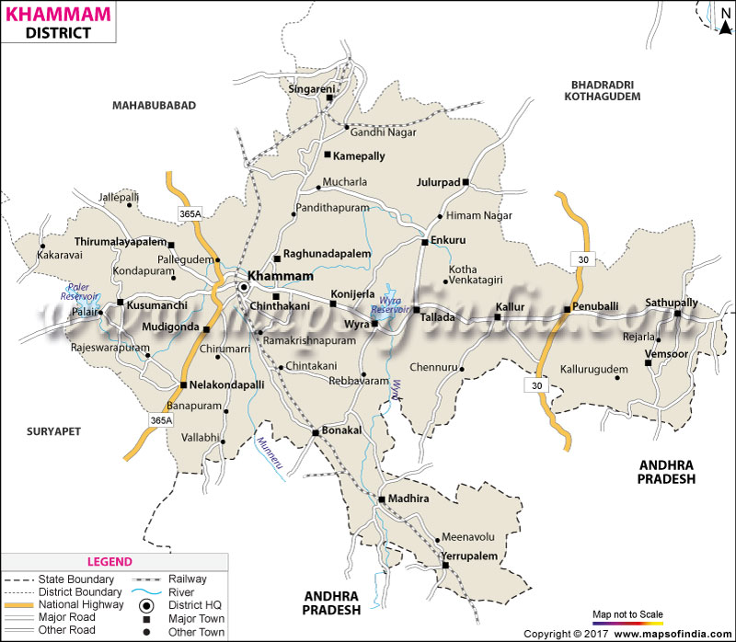

 | No Of Talukas | 48
 | No Of Villages | 1203
 | Area selected for Festive Counters | 2

Khammam District Mandals & No of Villages
S NO | MANDALS | NO OF VILLAGES | S NO | MANDALS | NO OF VILLAGES | S NO | MANDALS | NO OF VILLAGES
1 | ASWARAO PET | 20 | 17 | KUSUMANCHI | 18 | 33 | VARARAMACHANDRA PURAM | 62
2 | ASWARAPURAM | 11 | 18 | MADHIRA | 21 | 34 | VELERUPADU | 21
3 | BAYYARAM | 17 | 19 | MUDIGONDA | 23 | 35 | VENKATAPURAM | 72
4 | BHADRACHALAM | 75 | 20 | MUNAKALAPALLI | 14 | 36 | VENSOOR | 14
5 | BONAKALLU | 18 | 21 | MUNUGURU | 5 | 37 | WAZEDU | 61
6 | CHERLA | 73 | 22 | NELLAKONDA PALLI | 23 | 38 | WYRA | 22
7 | CHINTAKALLI | 16 | 23 | PALAVANCHA | 19 | 39 | YEELANDU | 6
8 | CHINTRAGUNTA | 20 | 24 | PENUBALLI | 21 | 40 | YEERUPALEM | 24
9 | CHINTURU | 89 | 25 | PINAPAKA | 27 | 41 | KAMEPALLI | 13
10 | DAMMAPET | 22 | 26 | RAGHUNADHAPALEM |  | 42 | KAREPALLI
11 | DUMMUGUDEM | 83 | 27 | SATHUPALLI | 14 | 43 | KHAMMAM RURAL | 22
12 | ENKOOR | 11 | 28 | SINGARENI | 11 | 44 | KHAMMAM URBAN | 12
13 | GARLA | 11 | 29 | TALACHERUVU |  | 45 | KONAVARAM | 56
14 | GUNTALA | 21 | 30 | TALLADA | 19 | 46 | KONICHERALA | 18
15 | JULURPADU | 8 | 31 | tekulapalli | 6 | 47 | KOTHAGUDEM | 16
16 | KALLURU | 23 | 32 | THIRUMALAYAPALEM | 25 | 48 | KUKKUNUR | 20

S.NO | Festive Counters | Distance from S/R | Potential | Compet presence | Source Of Income | Current Sale | TGT sales
1 | Sathupalli | 85 KMS | M | Hyundai, tata, Mahindra, Maruthi | Singareni, Real Estate, Agriculture | 2 | 6
2 | Kothagudem | 85 KMS | H | Maruthi, Hyundai, Renault, Honda,Tata, Mahindra, Volks wegan | Singareni | 5 | 10

VIKARABAD
Vikarabad District Taluka Festive Counters

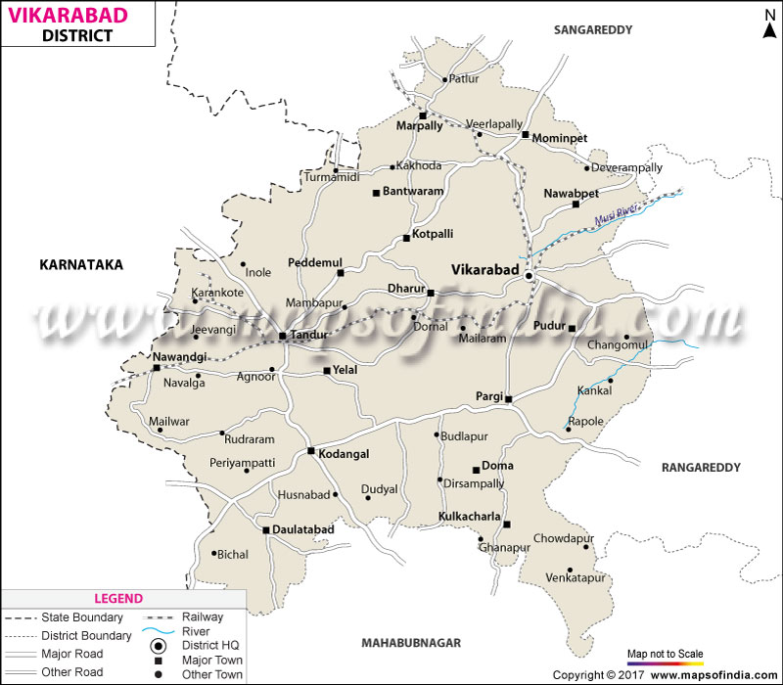

 | No Of Talukas | 18
 | No Of Villages | 497
 | Area selected for Festive Counters

VIKARABAD District Talukas & No of Villages
S NO | Talukas | NO OF VILLAGES | S NO | Talukas | NO OF VILLAGES
1 | MARPALLE | 28 | 10 | PUDUR | 34
2 | VIKARABAD | 39 | 11 | PARGI | 37
3 | DOMA | 28 | 12 | BANTWARAM | 13
4 | KOTEPALLY | 18 | 13 | KODANGAL | 19
5 | YELAL | 34 | 14 | DOULTABAD | 26
6 | BASHEERABAD | 31 | 15 | NAWABPET | 22
7 | PEDDEMUL | 29 | 16 | KULKCHERLA | 23
8 | BOMMARASPET | 21 | 17 | DHARUR | 34
9 | TANDUR | 38 | 18 | MOMINPET | 23

S.NO | Festive Counters | Distance from S/R | Potential | Compet presence | Source Of Income | Current Sale | TGT sales
1 | Vikarabad | 86 KMS | M | Maruthi, Hyundai | Agriculture, Granite | 5 | 6

SIDDIPET
Siddipet District Taluka Festive Counters

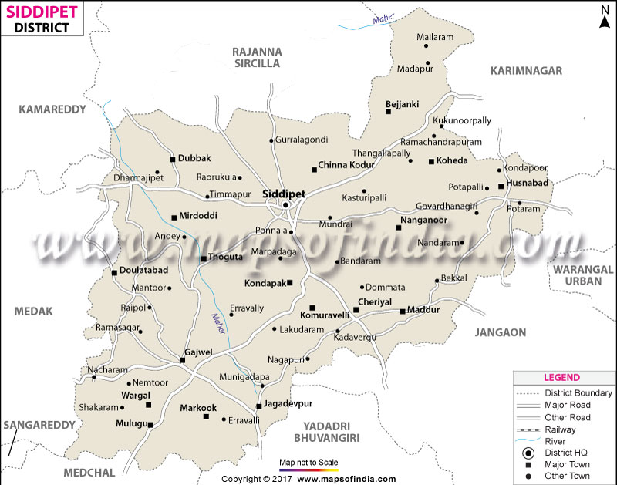

 | No Of Talukas | 22
 | No Of Villages | 397
 | Area selected for Festive Counters

SIDDIPET District Talukas & No of Villages
S NO | Talukas | NO OF VILLAGES | S NO | Talukas | NO OF VILLAGES
1 | SIDDIPET(URBAN) | 12 | 12 | CHERIAL | 12
2 | SIDDIPET(RURAL) | 17 | 13 | KOMURAVELLI | 9
3 | NANGNOOR | 19 | 14 | GAJWEL | 27
4 | CHINNAKODUR | 20 | 15 | JAGDEVPUR | 23
5 | THOGUTA | 21 | 16 | KONDAPAK | 25
6 | DOULTABAD | 20 | 17 | MULUGU | 24
7 | MIRDODDI | 20 | 18 | MARKOOK | 9
8 | DUBBAK | 30 | 19 | WARGAL | 22
9 | RAIPOLE | 13 | 20 | HUSNABAD | 11
10 | AKKANNAPET | 14 | 21 | MADDUR | 19
11 | KOHEDA | 16 | 22 | BEJJAKI | 14

S.NO | Festive Counters | Distance from S/R | Potential | Compet presence | Source Of Income | Current Sale | TGT sales
1 | Siddipet | 120 KMS | M | Maruthi, Hyundai | Agriculture | 5 | 6

RANGAREDDY
Ranga Reddy District Taluka Festive Counters
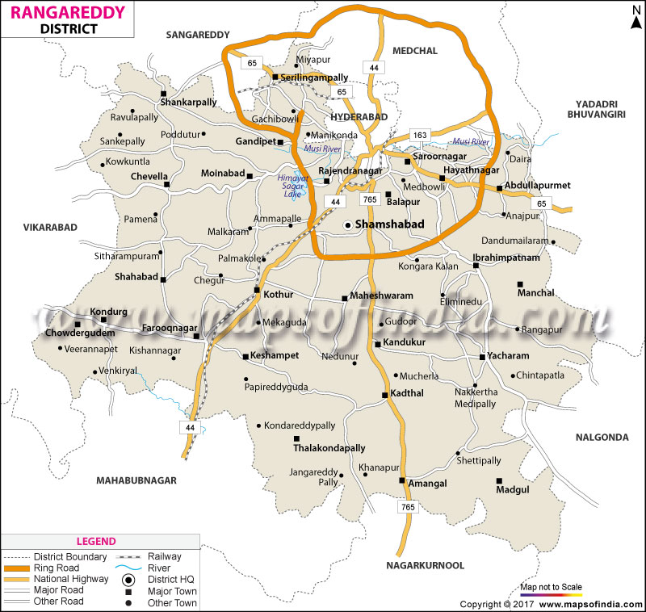

 | No Of Talukas | 27
 | No Of Villages | 446
 | Area selected for Festive Counters

RANGAREDDY District Talukas & No of Villages
S NO | Talukas | NO OF VILLAGES | S NO | Talukas | NO OF VILLAGES
1 | CHEVELLA | 28 | 15 | MOINABAD | 21
2 | SHAHBAD | 29 | 16 | AMANGAL | 12
3 | SHANKARPALLE | 25 | 17 | BALAPUR | 13
4 | ABDULLAPURAMET | 28 | 18 | KANDUKUR | 25
5 | HAYATHNAGAR | 2 | 19 | KADTHAL | 9
6 | IBRAHIMPATNAM | 20 | 20 | MAHESWARAM | 23
7 | MADGUL | 14 | 21 | TALAKONDAPALLE | 17
8 | MANCHAL | 17 | 22 | SAROORNAGAR | 2
9 | YACHARAM | 22 | 23 | GANDIPET | 14
10 | SHAMSHABAD | 27 | 24 | RAJENDRANAGAR | 2
11 | CHOWDERGUDA | 14 | 25 | SERILINGAMPALLY | 1
12 | FAROOQNAGAR | 29 | 26 | KESHAMPETA | 18
13 | KONDURG | 16 | 27 | KOTHUR | 10
14 | NANDIGAMA | 8

S.NO | Festive Counters | Distance from S/R | Potential | Compet presence | Source Of Income | Current Sale | TGT sales
1 | Ranga Reddy | 87 KMS | H | Maruthi,Hyundai,Tata | Agruculiture, BUSINESS'

MEDAK
Medak District Taluka Festive Counters
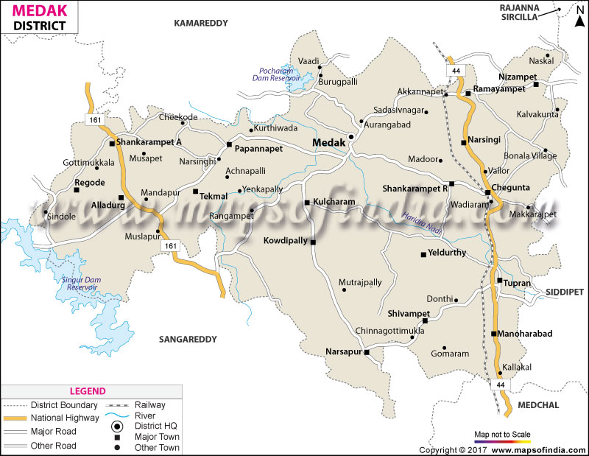

 | No Of Talukas | 20
 | No Of Villages | 382
 | Area selected for Festive Counters

MEDAK District Talukas & No of Villages
S NO | Talukas | NO OF VILLAGES | S NO | Talukas | NO OF VILLAGES
1 | Medak | 15 | 11 | Tekmal | 20
2 | Havelighanpur | 21 | 12 | Alladurg | 9
3 | Papannapet | 26 | 13 | Regode | 26
4 | Shankarampet-R | 17 | 14 | Narsapur | 33
5 | Ramayampet | 16 | 15 | Kulcharam | 21
6 | Nizampet | 8 | 16 | Kowdipally | 21
7 | Shivampet | 25 | 17 | Chegunta | 23
8 | Chilipched | 13 | 18 | Toopran | 20
9 | Yeldurthy | 22 | 19 | Narsingi | 7
10 | Manoharabad | 16 | 20 | Shankarampet-A | 23

S.NO | Festive Counters | Distance from S/R | Potential | Compet presence | Source Of Income | Current Sale | TGT sales
1 | Medak | 96 KMS | H |  | Business, IT Emplyoees

SANGAREDDY
Sangareddy District Taluka Festive Counters
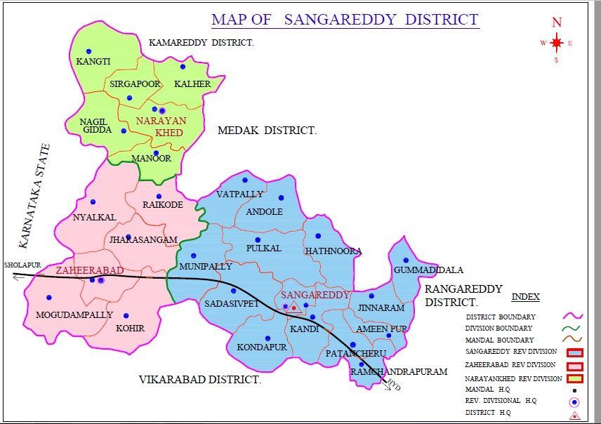

 | No Of Talukas | 25
 | No Of Villages | 558
 | Area selected for Festive Counters

SANGAREDDY District Talukas & No of Villages
S NO | Talukas | NO OF VILLAGES | S NO | Talukas | NO OF VILLAGES
1 | KALHER | 16 | 15 | PATANCHERU | 19
2 | KANGTI | 27 | 16 | PULKAL | 30
3 | MANOOR | 24 | 17 | RAMACHANDRAPURAM | 9
4 | NAGILGIDDA | 21 | 18 | SADASIVPET | 30
5 | SIRGAPOOR | 17 | 19 | SANGAREDDY | 13
6 | AMEENPUR | 7 | 20 | VATPALLY | 13
7 | ANDOLE | 27 | 21 | JAHARASANGAM | 35
8 | GUMMADIDALA | 12 | 22 | KOHIR | 23
9 | HATHNOORA | 33 | 23 | MOGUDAMPALLY | 16
10 | JINNARAM | 16 | 24 | NYALKAL | 39
11 | KANDI | 16 | 25 | RAIKODE | 37
12 | KONDAPUR | 23
13 | ZAHIRABAD | 23
14 | MUNIPALLY | 32

S.NO | Festive Counters | Distance from S/R | Potential | Compet presence | Source Of Income | Current Sale | TGT sales
1 | Sangaredddy | 63KMS | M |  | Agriculture

JANGOAN
Jangaon District Taluka Festive Counters
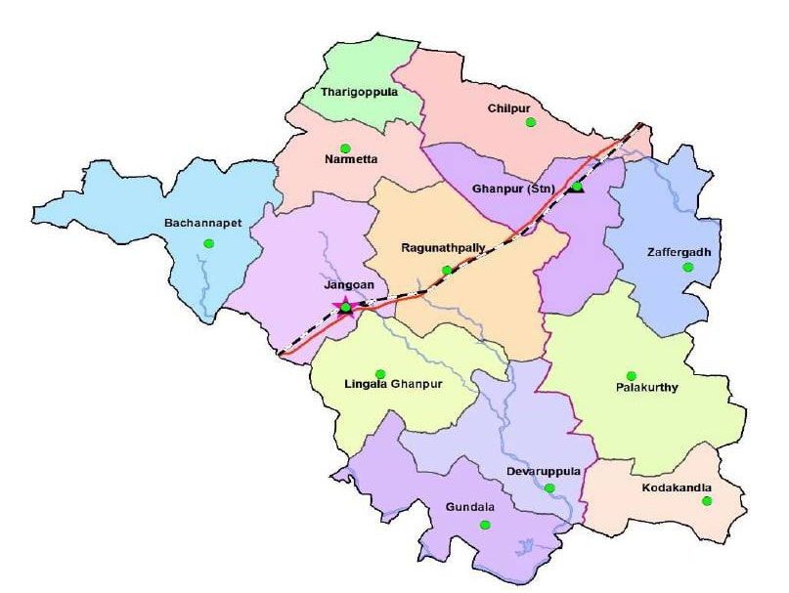

No Of Talukas | 12
No Of Villages | 176
Area selected for Festive Counters

JANGOAN District Talukas & No of Villages
S NO | Talukas | NO OF VILLAGES
1 | Jangoan | 20
2 | Lingala Ghanpur | 14
3 | Bachannapet | 23
4 | Devaruppula | 13
5 | Narmetta | 8
6 | Tharigoppula | 8
7 | Ragunathpally | 19
8 | Ghanpur (Stn) | 13
9 | Chilpur | 12
10 | Zaffergadh | 16
11 | Palakurthy | 21
12 | Kodakandla | 9

KAMAREDDY
Kamareddy District Taluka Festive Counters
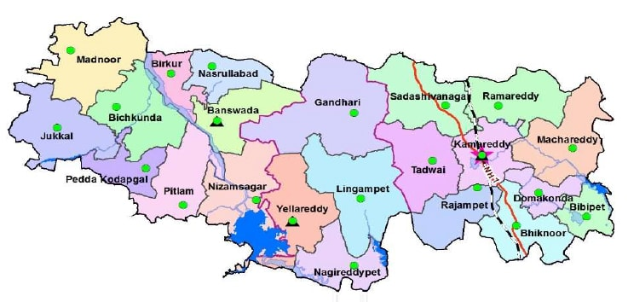

 | No Of Talukas | 22
 | No Of Villages | 535
 | Area selected for Festive Counters

KAMAREDDY District Talukas & No of Villages
S NO | Talukas | NO OF VILLAGES | S NO | Talukas | NO OF VILLAGES
1 | Banswada | 25 | 12 | Kamareddy | 14
2 | Birkoor | 12 | 13 | Bhiknoor | 18
3 | Bichkunda | 27 | 14 | Rajampet | 18
4 | Jukkal | 30 | 15 | Domakonda | 10
5 | Madnoor | 34 | 16 | Machareddy | 33
6 | Nizamsagar | 27 | 17 | Ramareddy | 19
7 | Pitlam | 24 | 18 | Bibipet | 19
8 | Nasrullabad | 17 | 19 | Tadwai | 18
9 | Pedda Kodapgal | 25 | 20 | Sadasivanagar | 24
10 | Yellareddy | 31 | 21 | Lingampet | 41
11 | Gandhari | 44 | 22 | Nagareddipet | 25

NALGONDA
Nalgonda District Taluka Festive Counters
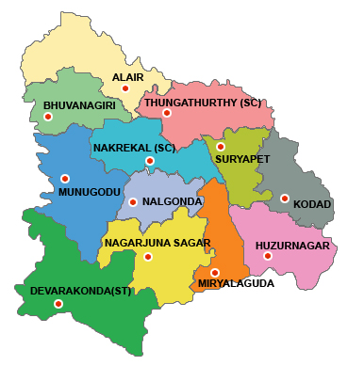

 | No Of Talukas | 32
 | No Of Villages | 833
 | Area selected for Festive Counters

NALGONDA District Talukas & No of Villages
S NO | Talukas | NO OF VILLAGES | S NO | Talukas | NO OF VILLAGES
1 | Nalgonda | 31 | 17 | Miryalaguda | 46
2 | Narketpalli | 29 | 18 | Vemulapalli | 12
3 | chityala | 18 | 19 | Damaracherla | 35
4 | Kattangoor | 22 | 20 | Advidevulapally (New) | 13
5 | Nakerekal | 17 | 21 | Madugulapally (new) | 28
6 | Kethepalli | 16 | 22 | Nidmanoor | 29
7 | Shali Gouraram | 24 | 23 | Tripuraram | 32
8 | Thipparthy | 26 | 24 | Anumula (Halia) | 23
9 | Kanagal | 31 | 25 | Tirumalagiri(Sagar) | 34
10 | Chandur | 23 | 26 | Peddavoora | 26
11 | Munugode | 27 | 27 | Nampalli | 20
12 | Devarakonda | 39 | 28 | Marriguda | 17
13 | Kondamallepally (New) | 26 | 29 | Chinthapalli | 34
14 | P.A.Palli | 31 | 30 | Gurrampode | 37
15 | Gundlapalli (Dindi) | 38 | 31 | Neredugommu (New) | 7
16 | Chandampet | 23 | 32 | Neredugommu | 19

Nizamabad
Nizamabad District Taluka Festive Counters
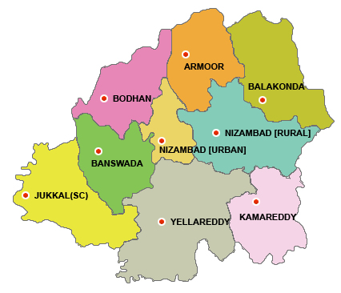

 | No Of Talukas | 29
 | No Of Villages | 464
 | Area selected for Festive Counters

Nizamabad District Talukas & No of Villages
S NO | Talukas | NO OF VILLAGES | S NO | Talukas | NO OF VILLAGES
1 | Bodhan | 43 | 16 | Nizamabad South | 1
2 | Renjal | 10 | 17 | Nizamabad North | 2
3 | Rudrur | 10 | 18 | Nizamabad Rural | 19
4 | Kotagiri | 34 | 19 | Sirikonda | 19
5 | Varni | 23 | 20 | Armoor | 23
6 | Yedapally | 12 | 21 | Balkonda | 11
7 | Chandur | 12 | 22 | Bheemgal | 24
8 | Mosra |  | 23 | Yergatla | 7
9 | Makloor | 23 | 24 | Morthad | 9
10 | Dichapally | 17 | 25 | Mupkal | 7
11 | Dharapply | 12 | 26 | Jakranpally | 16
12 | Indalwai | 10 | 27 | Kammarapally | 16
13 | Mogpal | 15 | 28 | Vailpoor | 17
14 | Navipet | 32 | 29 | Mendora | 8
15 | Nandipet | 32

ADILABAD
Adilabad District Taluka Festive Counters
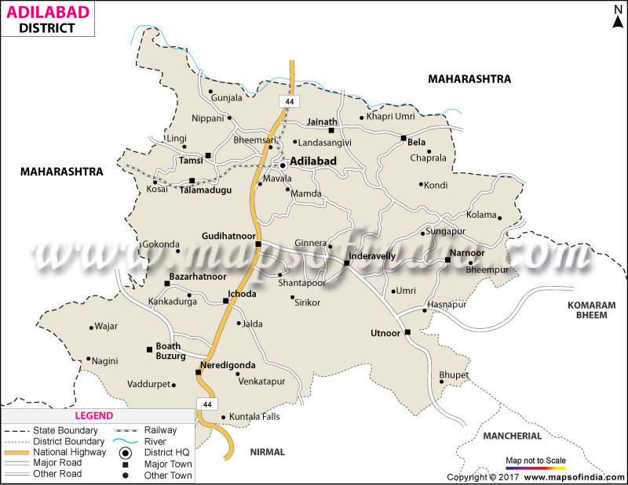

 | No Of Talukas | 17
 | No Of Villages | 464
 | Area selected for Festive Counters

ADILABAD District Talukas & No of Villages
S NO | Talukas | NO OF VILLAGES | S NO | Talukas | NO OF VILLAGES
1 | ADILABAD (RURAL) | 38 | 10 | UTNOOR | 39
2 | ADILABAD(URBAN) | 3 | 11 | JAINAD | 55
3 | MAVALA | 4 | 12 | ICHODA | 35
4 | GUDIHATNOOR | 21 | 13 | NERADIGONDA | 43
5 | BAZARHATNOOR | 31 | 14 | SIRIKONDA | 16
6 | TALAMADUGU | 28 | 15 | INDERVELLY | 25
7 | TAMSI | 12 | 16 | NARNOOR | 24
8 | BELA | 47 | 17 | GADIGUDA | 24
9 | BOATH | 39

KOMARAM BHEEM ASIFABAD
Komaram Bheem District Taluka Festive Counters
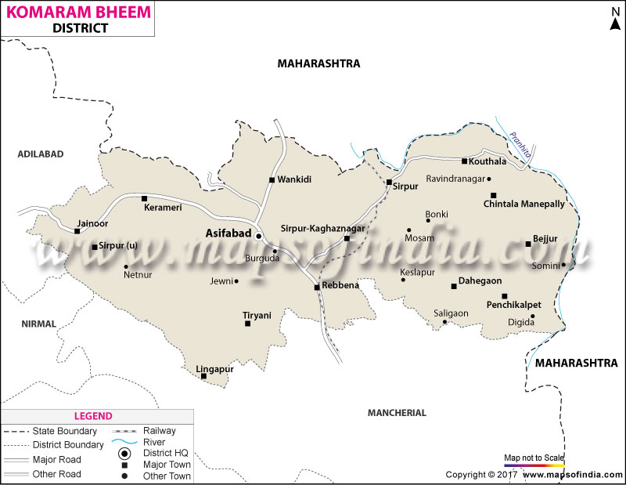

 | No Of Talukas | 15
 | No Of Villages | 398
 | Area selected for Festive Counters

KOMARAM BHEEM ASIFABAD District Talukas & No of Villages
S NO | Talukas | NO OF VILLAGES | S NO | Talukas | NO OF VILLAGES
1 | ASIFABAD | 31 | 9 | KAGAZNAGAR | 38
2 | LINGAPUR | 11 | 10 | PENCHICALPET | 18
3 | JAINOOR | 18 | 11 | BEJJUR | 22
4 | TIRYANI | 39 | 12 | KOUTHALA | 20
5 | WANKIDI | 37 | 13 | CHINTALAMANEPALLY | 21
6 | KERAMERI | 46 | 14 | DAHEGOAN | 31
7 | SIRPUR (U) | 16 | 15 | SIRPUR(T) | 23
8 | REBBENA | 27

MAHABUBNAGAR
Mehaboobnagar District Taluka Festive Counters
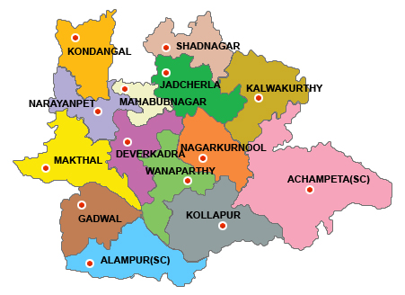

 | No Of Talukas | 15
 | No Of Villages | 309
 | Area selected for Festive Counters

MAHABUBNAGAR District Talukas & No of Villages
S NO | Talukas | NO OF VILLAGES | S NO | Talukas | NO OF VILLAGES
1 | Addakal | 14 | 9 | Jadcherla | 30
2 | Balanagar | 21 | 10 | Koilkonda | 35
3 | Bhoothpur | 16 | 11 | MBNR | 15
4 | CC Kunta | 21 | 12 | MBNR (U) | 8
5 | Devarakadra | 26 | 13 | Midjil | 16
6 | Gandeed | 28 | 14 | Moosapet | 13
7 | Hanwada | 18 | 15 | Nawabpet | 32
8 | Rajapur | 16

MEDCHAL
Medak District Taluka Festive Counters
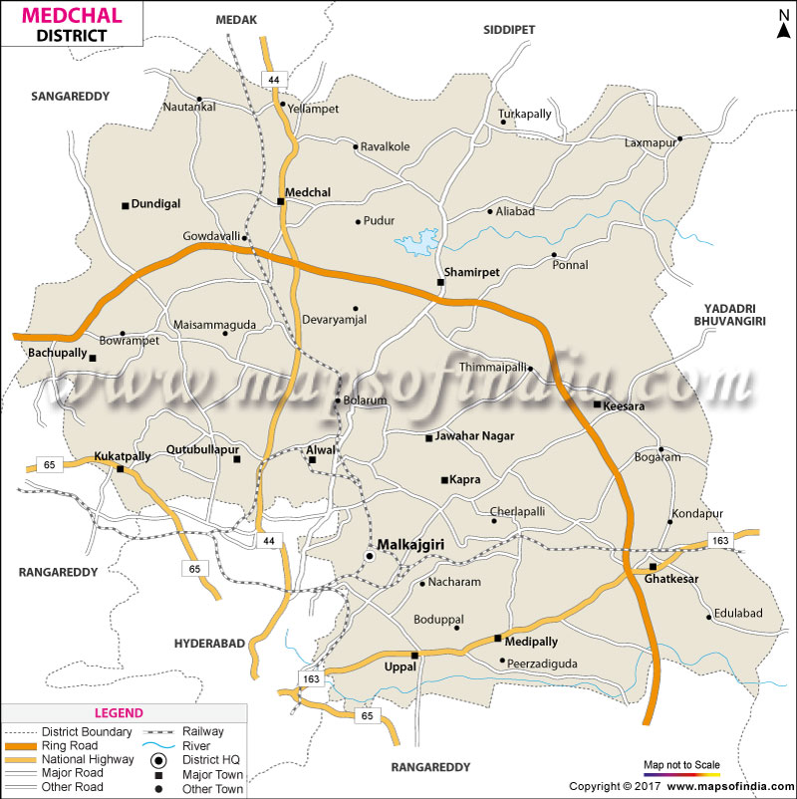

 | No Of Talukas | 15
 | No Of Villages | 180
 | Area selected for Festive Counters

MEDCHAL District Talukas & No of Villages
S NO | Talukas | NO OF VILLAGES | S NO | Talukas | NO OF VILLAGES
1 | Alwal | 10 | 9 | Keesara | 16
2 | Bachupally | 2 | 10 | Kukatpally | 6
3 | Balanagar | 8 | 11 | Malkajgiri | 2
4 | Dundigal Gandimaisamma | 10 | 12 | Medchal | 27
5 | Ghatkesar | 19 | 13 | Medipally | 8
6 | Kapra | 3 | 14 | Quthbullapur | 6
7 | Uppal | 14 | 15 | Shamirpet | 31
8 | M.C.Pally | 18

NAGARKURNOOL
Nagarkurnool District Taluka Festive Counters
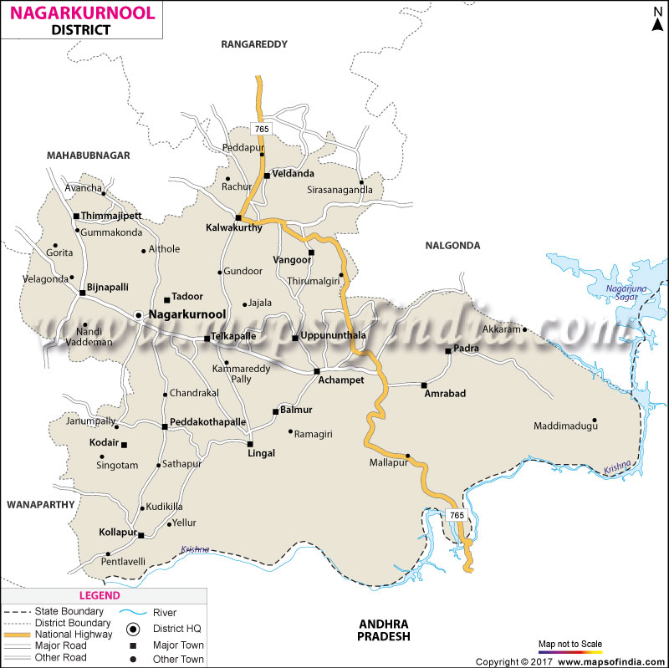

 | No Of Talukas | 20
 | No Of Villages | 350
 | Area selected for Festive Counters

NAGARKURNOOL District Talukas & No of Villages
S NO | Talukas | NO OF VILLAGES | S NO | Talukas | NO OF VILLAGES
1 | Nagarkurnool | 23 | 11 | Lingala | 16
2 | Bijinapally | 24 | 12 | Balmoor | 19
3 | Tadoor | 22 | 13 | Uppununtala | 20
4 | Thimmajipet | 17 | 14 | Achampet | 22
5 | Telkapally | 31 | 15 | Amrabad | 8
6 | Peddakothapally | 23 | 16 | Kalwakurty | 19
7 | Kollapur | 20 | 17 | Veldanda | 15
8 | Pentlavelli | 8 | 18 | Vangoor | 19
9 | Kodair | 18 | 19 | Charakonda | 7
10 | Padara | 7 | 20 | Urkonda | 12

NIRMAL
Nirmal District Taluka Festive Counters
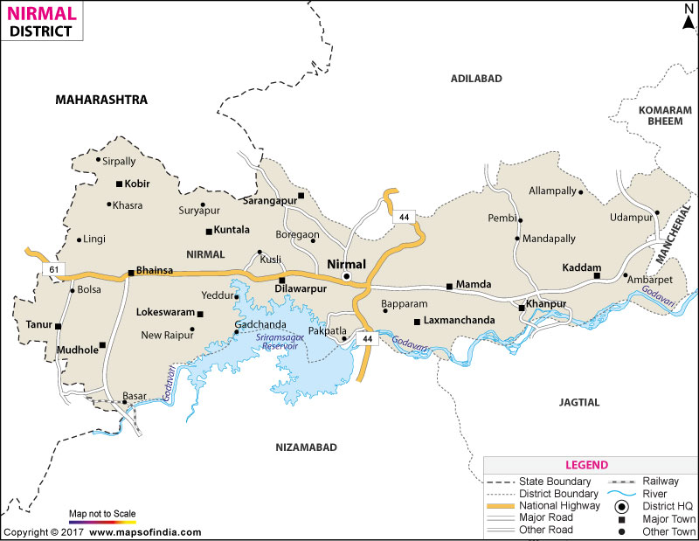

 | No Of Talukas | 19
 | No Of Villages | 430
 | Area selected for Festive Counters

NIRMAL District Talukas & No of Villages
S NO | Talukas | NO OF VILLAGES | S NO | Talukas | NO OF VILLAGES
1 | Dilawarpur | 15 | 11 | Narsapur | 20
2 | Kaddem | 29 | 12 | Pembi | 13
3 | Khanapur | 21 | 13 | Dasturabad | 8
4 | Laxmanchanda | 18 | 14 | Bhainsa | 34
5 | Mamada | 33 | 15 | Kubeer | 38
6 | Nirmal | 4 | 16 | Kuntala | 16
7 | Sarangapur | 27 | 17 | Lokeshwaram | 31
8 | Soan | 17 | 18 | Mudhole | 24
9 | Nirmal (Rural) | 32 | 19 | Tanoor | 33
10 | Basar | 17

SURYAPET
Suryapet District Taluka Festive Counters
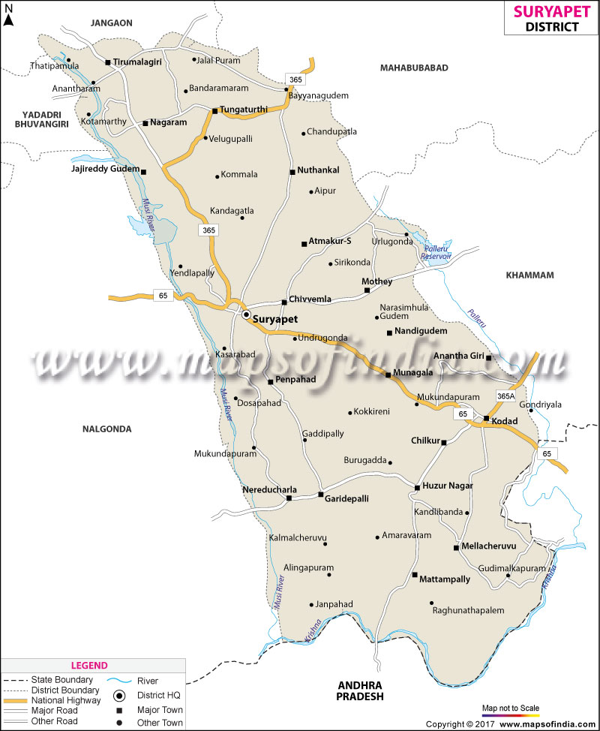

 | No Of Talukas | 24
 | No Of Villages | 239
 | Area selected for Festive Counters

SURYAPET District Talukas & No of Villages
S NO | Talukas | NO OF VILLAGES | S NO | Talukas | NO OF VILLAGES
1 | ANANTHAGIRI | 10 | 13 | MUNAGALA
2 | ATHMAKUR | 20 | 14 | NADIGUDEM | 11
3 | CHILKUR | 4 | 15 | NAGARAM | 10
4 | CHIVVEMLA | 15 | 16 | NEREDCHERLA | 13
5 | GARIDEPALLY | 11 | 17 | NUTHANKAL | 14
6 | HUZURNAGAR | 7 | 18 | PALAKEEDU | 14
7 | JAJIREDDYGUDEM | 12 | 19 | PENPAHAD | 17
8 | KODAD | 12 | 20 | SURYAPET | 20
9 | MADDIRALA | 13 | 21 | THIRUMALAGIRI | 12
10 | MALLAREDDYGUDEM | 10 | 22 | THUNGATHURTHY | 12
11 | MATTAMPALLY | 10 | 23 | MUNAGALA | 11
12 | MELLACHERVU | 4 | 24 | MOTHEY | 17

WANAPARTHY
Suryapet District Taluka Festive Counters
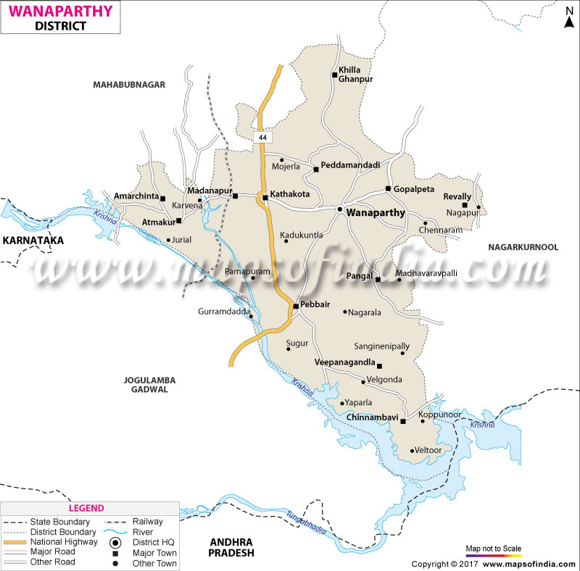

 | No Of Talukas | 13
 | No Of Villages | 194
 | Area selected for Festive Counters

WANAPARTHY District Talukas & No of Villages
S NO | Talukas | NO OF VILLAGES | S NO | Talukas | NO OF VILLAGES
1 | REVALLY | 11 | 8 | PEBBAIR | 20
2 | GOPALPET | 9 | 9 | MADANAPUR | 15
3 | CHINNAMBAVI | 16 | 10 | AMARCHINTHA | 13
4 | WEEPANGANDLA | 11 | 11 | ATMAKUR | 17
5 | SRIRANGAPUR | 7 | 12 | PEDDAMANDADDI | 13
6 | KOTHAKOTA | 22 | 13 | GHANPUR | 18
7 | PANGAL | 22

YADADRI
Yadadri District Taluka Festive Counters
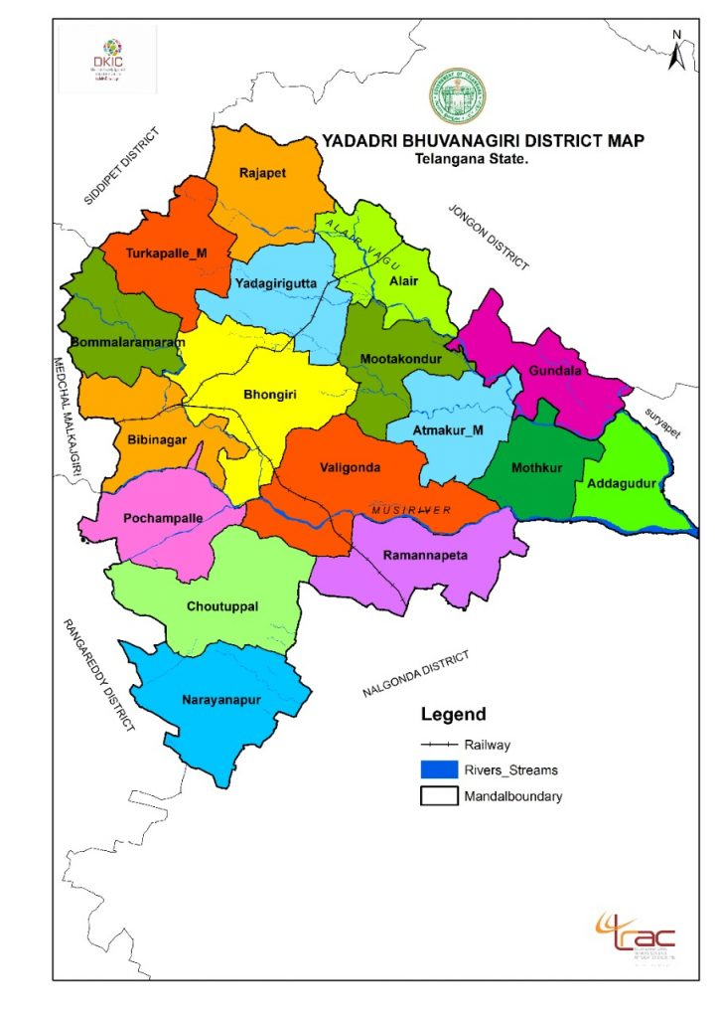

 | No Of Talukas | 17
 | No Of Villages | 320
 | Area selected for Festive Counters

YADADRI District Talukas & No of Villages
S NO | Talukas | NO OF VILLAGES | S NO | Talukas | NO OF VILLAGES
1 | ALAIR | 10 | 10 | RAMMANAPET | 21
2 | ATHMAKUR | 17 | 11 | THURAKPALLY | 22
3 | B.RAMARAM | 23 | 12 | VALIGONDA | 35
4 | BHONGIR | 29 | 13 | MOTAKONDURU | 10
5 | BIBINAGAR | 25 | 14 | YADAGIRIGUTTA | 15
6 | ADDAGUDURU | 11 | 15 | GUNDALA | 17
7 | CHOUTUPPAL | 17 | 16 | Narayanapoor | 14
8 | MOTHKUR | 12 | 17 | RAJAPET | 19
9 | POCHAMPALLY | 23

HANUMAKONDA
Hanumakonda District Taluka Festive Counters
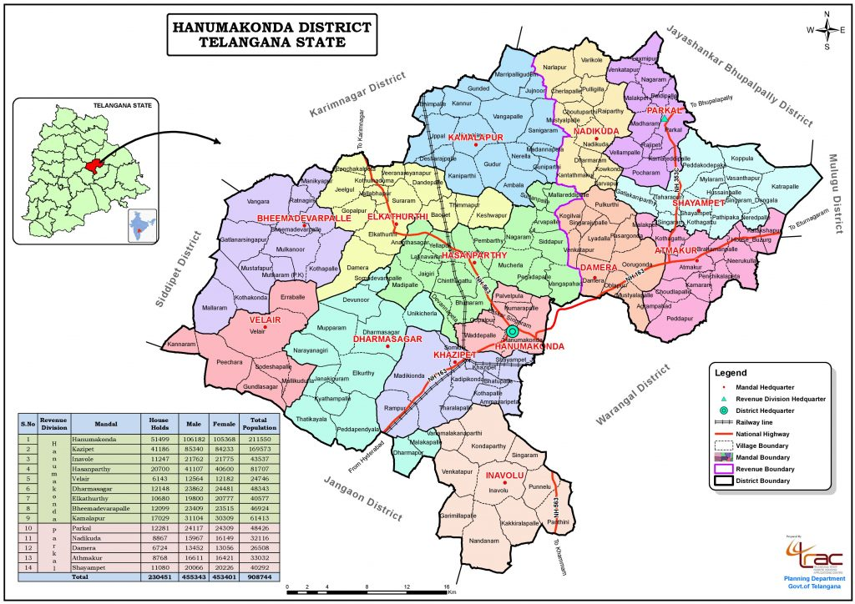

 | No Of Talukas | 14
 | No Of Villages | 167
 | Area selected for Festive Counters

HANUMAKONDA District Talukas & No of Villages
S NO | Talukas | NO OF VILLAGES | S NO | Talukas | NO OF VILLAGES
1 | HANAMKONDA | 6 | 8 | BHEEMADEVARAPALLI | 12
2 | KHAAZIPET | 10 | 9 | KAMALAPUR | 17
3 | INAVOLU | 10 | 10 | ATHMAKUR | 12
4 | HASANPARTHY | 18 | 11 | SHAYAMPET | 13
5 | PARKAL | 10 | 12 | VELAIR | 12
6 | NADIKUDA | 12 | 13 | DHARMASAGAR | 13
7 | DAMERA | 10 | 14 | ELKATHURTHI | 12

Gadwal
Gadwal District Taluka Festive Counters

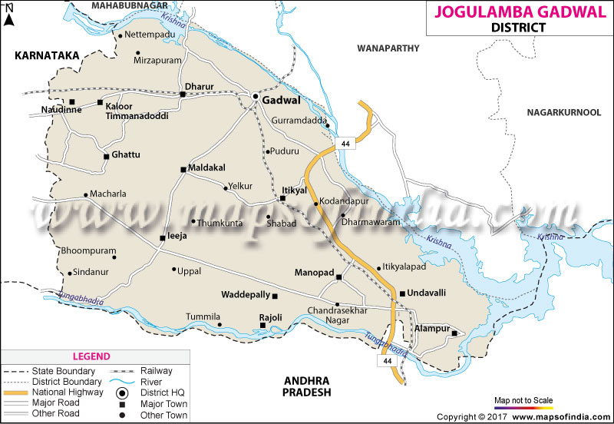

 | No Of Talukas | 12
 | No Of Villages | 203
 | Area selected for Festive Counters

GADWAl District Mandals & No of Villages
S NO | MANDALS | NO OF VILLAGES
1 | Kaloor_Timmanadoddi | 16
2 | Dharur | 15
3 | Gadwal | 19
4 | Itikyal | 21
5 | Maldakal | 19
6 | Ghattu | 18
7 | Aiza | 19
8 | Rajoli | 11
9 | Waddepalle | 9
10 | Manopad | 20
11 | Undavelli | 17
12 | Alampur | 19

